Dashboard
Sales Metrics Dashboard

 | Total
Not Paid | 311
Paid | 926
 | Total
Not Paid | 311
Paid | 926
74.86%
926
total paid
Calls
311
total NOT paid
Calls
25.14%
Sales Team
Slicer
 | Total
Jan | 984.0M
Feb | 1.0B
Mar | 116.0M
Apr | 538.0M
May | 1.2B
Jun | 512.0M
Jul | 442.0M
Aug | 1.2B
Sep | 2.2B
Oct | 3.8B
Nov | 2.8B
Dec | 1.2B
Total Earnings by Month's
Highest
Monthly Revenue
1.3B
3.8B
Lowest
Monthly Revenue
Average
Monthly Revenue
116.0M
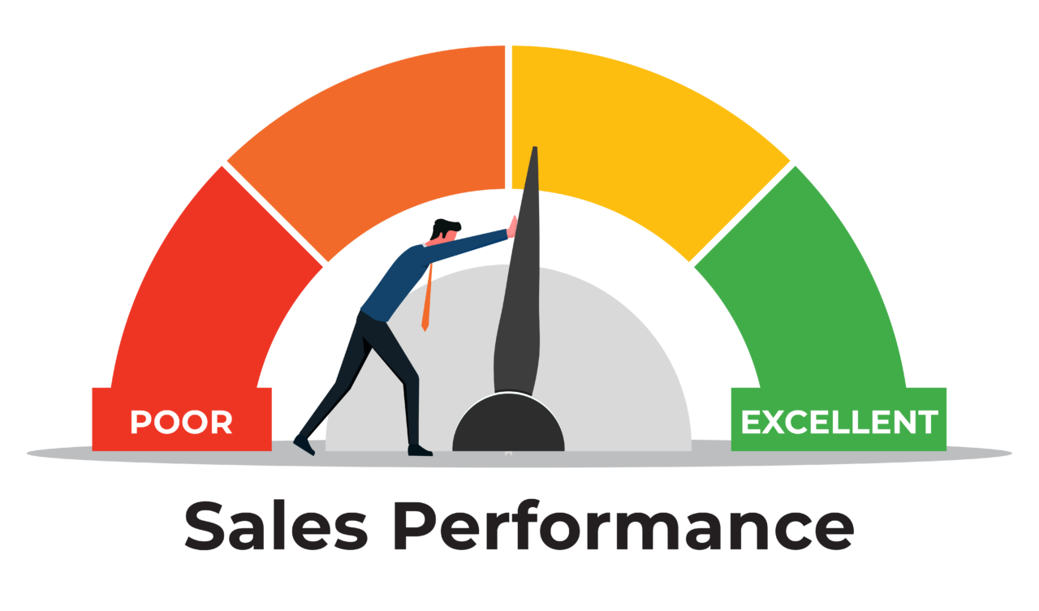
Sales performance
Total Earning
EGP 15,99,00,00,000
Egypt pounds
926
Fee Paid Status
Fee Unpaid Status
311
Top 5
Consultant
Sales Revenue
1.7B
Mohmed
1.6B
1.3B
1.4B
1.5B
Hany
Dary
Kisho
Rony

Dataset

 | Total
Jan | 68
Feb | 66
Mar | 30
Apr | 38
May | 86
Jun | 42
Jul | 38
Aug | 79
Sep | 173
Oct | 278
Nov | 212
Dec | 127
Average calls by month
103.1
calls
Monthly
Slicer
 | Total
Jan | 170
Feb | 162
Mar | 12
Apr | 102
May | 174
Jun | 96
Jul | 60
Aug | 189
Sep | 387
Oct | 617
Nov | 468
Dec | 206
Enrolled Courses
Enrolled Courses
Courses
Total
Courses
2,643.00
2.137
Average
 | Total
A1 | 219
A2 | 185
A4 | 97
A7 | 100
B12 | 178
B13 | 104
B18 | 178
C8 | 176
Area Code
Advertising Channel
Company Website
Youtube Channel
WhatsApp
Television Ad
Google Ad
Facebook Page
2.7B
806.0M
2.5B
4.6B
1.8B
3.5B
 | Actual | The difference to reach higest amount
Company Website | 2.7B | 2.7B
Facebook Page | 3.5B | 1.0B
Google Ad | 1.8B | 2.7B
Television Ad | 4.6B | 0.0K
WhatsApp | 2.5B | 2.1B
Youtube Channel | 806.0M | 3.8B
Advertising Channel
Paid Advertisment
16.0B

Pivot tAbles

 | Total
Jan | 0:04:27
Feb | 0:04:23
Mar | 0:05:02
Apr | 0:04:37
May | 0:03:56
Jun | 0:03:42
Jul | 0:04:44
Aug | 0:04:29
Sep | 0:04:38
Oct | 0:04:38
Nov | 0:04:35
Dec | 0:04:38
Average Paid Calls Duration
by months
Minimum
Call Duration
Maximum
Call Duration
04:29
03:42
05:02
Advertising Channel Slicer
Top 5
Training Levels
Revenue
KJI. L4
3.3B
Fndn. L5
Pre. L2
Fndn. L1
Pre. L3
2.3B
2.3B
1.3B
2.9B
 | Sum of Paid Fees | Sum of Paid Fees2
Abdullah | 2.6B | 2.6B
Ahmed | 2.8B | 2.8B
Mohammed | 5.4B | 5.4B
Salah | 5.3B | 5.3B
Top selling Sales team
Total Sales by Sales Teams
Mohammed
5.4B
 | Total
BE | 3.9B
CNI | 1.3B
FC | 247.0M
GK | 10.6B
Training Models
 | Total
Fndn. L1 | 2.3B
Fndn. L3 | 1.2B
Fndn. L5 | 2.9B
Fndn. L6 | 574.0M
KJI. L4 | 3.3B
Pre. L2 | 1.3B
Pre. L3 | 2.3B
Pre. L4 | 1.0B
Pre. L8 | 1.0B
 | Total
Fndn. L1 | 374
Fndn. L3 | 189
Fndn. L5 | 472
Fndn. L6 | 90
KJI. L4 | 562
Pre. L2 | 211
Pre. L3 | 376
Pre. L4 | 185
Pre. L8 | 184
Traning Level's by Sales Team
Enrolled Courses by Traning Levels

 | FC | CNI | BE | GK
Adam |  | 11.0M | 152.0M | EGP 216,000,000
Ahmed |  | 100.0M | 114.0M | EGP 436,000,000
Dary |  | 82.0M | 475.0M | EGP 803,000,000
Dina |  | 60.0M | 247.0M | EGP 525,000,000
Habib | 38.0M | 11.0M | 38.0M | EGP 245,000,000
Hany | 76.0M | 162.0M | 589.0M | EGP 707,000,000
Hisham |  | 20.0M | 171.0M | EGP 804,000,000
John | 38.0M | 113.0M | 171.0M | EGP 707,000,000
Jood |  | 22.0M | 95.0M | EGP 212,000,000
Kenza |  | 100.0M | 171.0M | EGP 140,000,000
Khalil | 19.0M | 122.0M | 114.0M | EGP 922,000,000
Kisho |  | 97.0M | 247.0M | EGP 944,000,000
Mohmed | 76.0M | 142.0M | 247.0M | EGP 1,262,000,000
Reham |  | 115.0M | 228.0M | EGP 900,000,000
Rony |  | 60.0M | 551.0M | EGP 1,027,000,000
Sahar |  | 40.0M | 285.0M | EGP 741,000,000
Traning Models
fee by Consultant
 | Total
Adam | 379.0M
Ahmed | 650.0M
Dary | 1.4B
Dina | 832.0M
Habib | 332.0M
Hany | 1.5B
Hisham | 995.0M
John | 1.0B
Jood | 329.0M
Kenza | 411.0M
Khalil | 1.2B
Kisho | 1.3B
Mohmed | 1.7B
Reham | 1.2B
Rony | 1.6B
Sahar | 1.1B
Consultant by
Total Sales
Top selling Sales team
Mohammed
5.4B
 | FC | CNI | BE | GK
Abdullah |  | 146.0M | 513.0M | EGP 1,920,000,000
Ahmed | 95.0M | 284.0M | 703.0M | EGP 1,669,000,000
Mohammed | 114.0M | 410.0M | 1.3B | EGP 3,594,000,000
Salah | 38.0M | 417.0M | 1.4B | EGP 3,408,000,000
Traning Models fee by Sales Team

